Sheet1
Project Name: | Google Translator

Bug ID | Title | URL | Steps to reproduce | Expected result | Actual result | Screenshot | Browser | Device | Severity | Priority | Assigned to | Reporter | Status | Notes
BugID_001 | The voice translation option in the mobile browser does not work properly. | https://translate.google.com/ | 1.open the chrome browse on the moblie phone. 2. navigate to google translator application. 3. select the language on the input field and out field. 4.Click on the voice translate icon. | User should be able to translate the word through voice translation option. | Clicking on the voice translation option will only load the icon and not an option to go to the voice. | 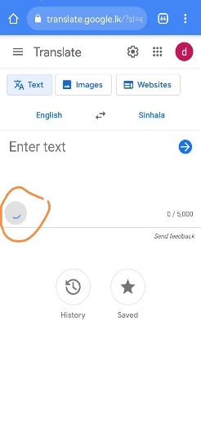 | Chrome | Huawai Nova 7 i | Medium | High | Development team | Dilini | Open
BugID_002 | Errors in translating spoken words into text or incorrect meaning of pronunciations. | https://translate.google.com/ | 1.open the chrome browse on the desktop pc. 2. navigate to google translator application. 3. select the language on the input field and out field. 4.Click on the voice translate icon. 5. tell some sentences related to selected language. | User should be able to view the spoken word into text. | user can view the incorrect text in the input field. |  | Chrome | Desktop pc | High | High | Development team | Dilini | Open

